Visuals
Product Information
Product Photos | Product Name Description | Adpro Status

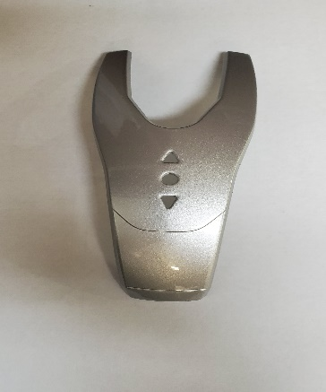
 | Manterra -Face plate | Adpro (raw & rework)

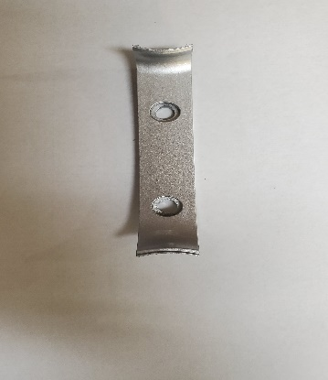
 | Manterra- Trim plate | Adpro (raw & rework)

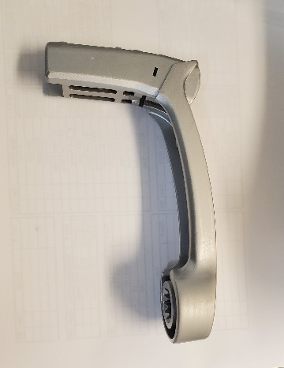
 | Seastar - Handles | No Adpro (on raw or rework)

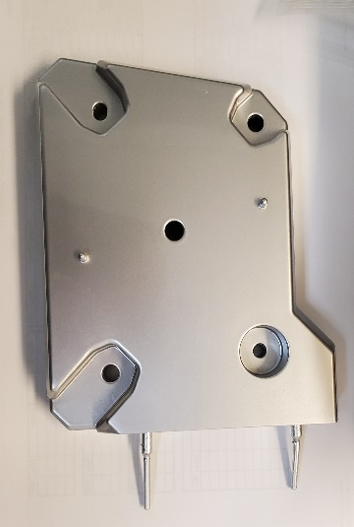
 | Falcon Lakeside (pucks) | Adpro all parts

